Introduction to SRBS
Introduction to Safety Risk Based Surveillance (SRBS) | Please roll down to see more details.

ICAO provisions and guidance on SRBS
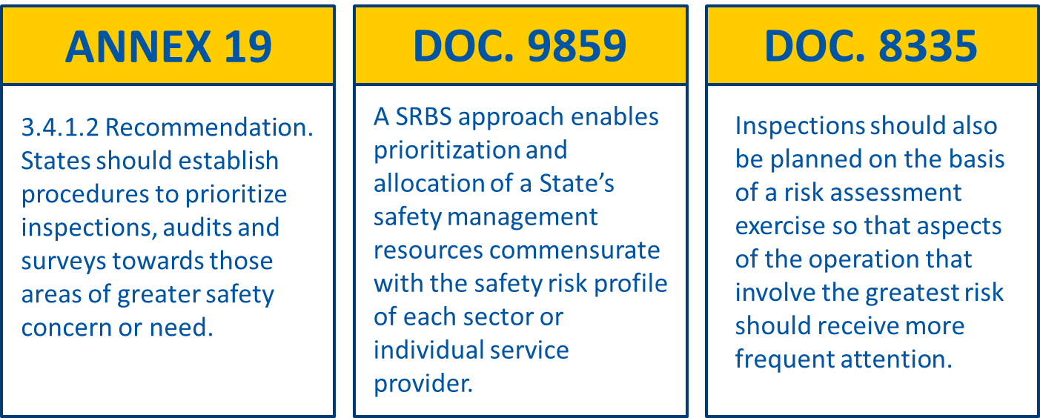

SRBS and Data-Driven Decision-Making (AD3M)
A safety risk-based surveillance (SRBS) approach enables Aviation Data-Driven Decision-Making (AD3M) to prioritize and allocate a State’s safety management resources commensurating with the safety risk profile of each sector or individual service provider. In the chart below, the highlighted steps in an AD3M process are common part of an SRBS approach. Note: Guidance on Data-Driven Decision-Making is also provided in SMM (Doc 9859).
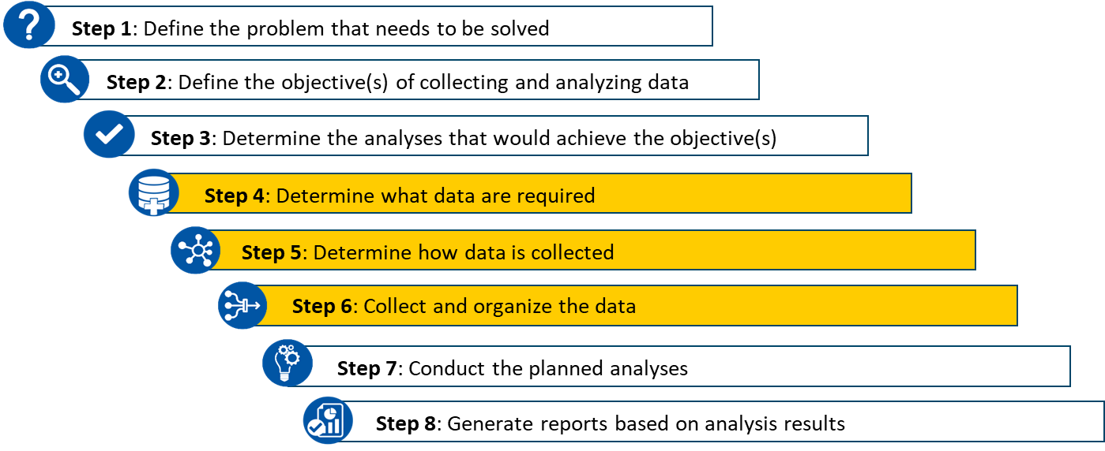

Some Benefits of AD3M
●It facilitates effective and informed decisions based on the analysis of data and information, using valid and relevant data helps place the “problem” in the right context. ●It allows us to identify risks and opportunities. ●It mitigates human error. ●It Relies on data and also helps us determine a best-fit solution. ●Data-driven decision making provides credible evidence to stakeholders and management regarding strengths, weaknesses, opportunities, limitations and risks.

Safety Risk Based Surveillance (SRBS)
●A safety risk-based surveillance (SRBS) approach enables prioritization and allocation of State’s safety management resources commensurate with the safety risk profile of each sector or individual service provider. ●The State may choose to amend the scope and/or frequency of surveillance as their confidence and evidence of the service provider’s safety capability develops. ●SRBS may not necessarily reduce the amount of surveillance conducted or the resources, however, the quality of the surveillance and the quality of the interaction between the regulator and the service provider will improve greatly.

Things to Keep in Mind
●SRBS results should make sense. ●SRBS results should be consistent. ●Safety Risk picture of an organization is not static. ●Efficiency gain by the use of SRBS should be evident. ●Service provider involvement in the SRBS process encourages desirable behaviour.

How to use this tool
 | Introduction to this tool
Based on the guidance on data-driven decision-making & safety risk-based surveillance concept provided in SMM (Doc 9859), the AMO Safety Risk Based Surveillance Tool was developed with similar assessment methods to assist States in building their risk-based inspection schedules for AMOs. Following a process composed of several steps as shown in the flowchart below, the inspectors will get a suggested frequency for their surveillance activities. A checklist along with a modifier for COVID-19 impacts is also provided in this tool.

 | How to use this tool
 | Process Flowchart | User Guidance
Step 1: ORP
- Organization Risk Profiling
Step 2: Complexity evaluation
Step 3: Additional assessment using COVID-19 Impacts Checklist
Step 4: Determine surveillance frequency using matrix and modifier
Step 0: Data collection and analysis
Data and information need to be collected before the use of this tool so that assessments and evaluations can be completed on the organization risk profiling, organization complexity and COVID-19 impacts.
Therefore, it is necessary to read all the statements in the other tabs and gather the needed data and information before moving to Step 1.
Please use the tab named "ORP" to complete this step. Inspectors need to select a value in column F for each statement to complete the Organization Risk Profiling for the target AMO, based on the collected data and information. If the results of certain statements are considered more important than the others, the respective "weighting factor" can be increased from the default 100% to a higher value. Once the inputs for all statements are added to this tab, a result will be generated automatically.
Please use the tab named "Complexity" to complete this step. Inspectors need to use all the tables following the provided order, which begins with 2.1 and ends with 2.5, to get a value for the overall organization complexity level. This value needs to be manually put into cell O19. It should be noted that all the tables and matrices in this tab can be customized, while inspectors should always use a same set of tables and matrices to complete this step for all target AMOs.
Please use the tab named "COVID-19 Impact" to complete this step. This tab provides a check list for inspectors to profile risks derived from COVID-19 impacts for the target AMO. The sum of values determined of all the statements in the checklist needs to be manually added and will be used in the next step.
Please use the last tab to complete Step 4. The results from Step 1 and Step 2 will be automatically visualized in the two charts and table below them. Inspectors need to use Table A and Table B to get a suggested surveillance interval, and then make adjustments using the modifier in Table C and the result from Step 3.

 | Safety data & Risk-based Surveillance Concept
The chart below is provided in SMM (ICAO Doc 9859), and it illustrates a process that can be used to modify the scope or frequency of the surveillance of a service provider.

2.Complexity
2.1 Table A: Organization Size Categories |  |  |  |  |  | 2.4 Table D: Organization Size-Service Complexity Matrix
Number of Employees |  | Category |  |  |  | Size of Organization (Number of Employees) |  | Service Complexity
1>10 |  | 1 | Note: CAA can customize this Organization Size Categories based on number of locations (for Stations and Base) or number of subcontractors managed by the AMO, if applicable. |  |  |  |  | A | B | C | D
11>50 |  | 2 |  |  |  | 1>10 | 1 | A1 - 1/1 | B1 - 1/1 | C1 - 1/2 | D1 - 1/2
51>200 |  | 3 |  |  |  | 11>50 | 2 | A2 - 1/1 | B2 - 1/2 | C2 - 1/2 | D2 - 2/2
201>500 |  | 4 |  |  |  | 51>200 | 3 | A3 - 1/2 | B3 - 1/2 | C3 - 2/2 | D3 - 2/2
>500 |  | 5 |  |  |  | 201>500 | 4 | A4 - 1/2 | B4 - 2/2 | C4 - 2/2 | D4 - 3/2
 |  |  | Note: Category of aircraft represents the aircraft for which the work was performed. (special services, components, engine, aircraft). |  |  | >500 | 5 | A5 - 2/2 | B5 - 2/2 | C5 - 3/2 | D5 - 3/3

Category of aircraft
Scope of work performed
2.2 Table B: Service Complexity Matrix |  |  |  |  |  | 2.5 Table E: Organization Size-Service Complexity Combined Value Categories
 |  | Special Services | Components | Engines | Aircraft | Bands |  |  |  | Value | Overall Complexity Level | Score Range
 |  | a | b | c | d | A1,A2,B1 |  |  |  | 1/1 | 1 | 30-60
Takeoff mass less than 1200kg and max 4 occupants | 1 | a1 | b1 | c1 | d1 | A3,A4,B2,B3,C1,C2,D1 |  |  |  | 1/2 | 2 | 61-70
Non pressurized and non turbine powered | 2 | a2 | b2 | c2 | d2 | A5,B4,B5,C3,C4,D2,D3 |  |  |  | 2/2 | 3 | 71-80
Pressurized or turbine powered | 3 | a3 | b3 | c3 | d3 | C5,D4 |  |  |  | 3/2 | 4 | 81-90
Takeoff Weight Greater Than 5700 kg | 4 | a4 | b4 | c4 | d4 | D5 |  |  |  | 3/3 | 5 | 91-100

2.3 Table C: Service Complexity Matrix Categories |  |  |  |  |  | 2.6 Table F: Overall Organization Complexity (Select the overall complexity level based on the result from step 2.1 - step 2.5)
Bands |  |  | Service Complexity |  |  | Overall Complexity Level |  |  |  |  | 5
a1,a2,b1 |  |  | A
a3,b2,c1 |  |  | B
a4,b3,b4,c2,c3,d1,d2 |  |  | C
c4,d3,d4 |  |  | D

Note: For example if you have an aircraft which is non turbine and not pressurized but it is big (i.e. over 5700kg at takeoff) the most challenging complexity level should be adopted.

4.Overall Result and Frequency
Organization Risk Profiling (ORP)
ORP |  |  | Please use the matrix and modifier below to determine surveillance frequency
 | SCORE |  | Table A: ORP-Complexity Matrix
A. COMPLIANCE | 33 |  | Current ORP Result (%) |  | Organization Complexity
B. ORGANIZATION | 33 |  |  |  | 30-60 | 61-70 | 71-80 | 81-90 | 91-100
C. SAFETY MANAGEMENT | 33 |  |  |  | 1 | 2 | 3 | 4 | 5
Overall | 33 |  | 33-49 | A | 1A | 2A | 3A | 4A | 5A
 |  |  | 50-63 | B | 1B | 2B | 3B | 4B | 5B
 |  |  | 64-77 | C | 1C | 2C | 3C | 4C | 5C
 |  |  | 78-91 | D | 1D | 2D | 3D | 4D | 5D
 |  |  | 92-100 | E | 1E | 2E | 3E | 4E | 5E
Organization Complexity

 |  | Level (Code) | Table B: Next Surveillance Interval Criteria - CAA can customize the frequencies
Organization Complexity level |  | 5 | ORP-Surveillance Index Bands |  |  |  |  |  | Next surveillance interval
 |  |  | 1A |  |  |  |  |  | 30 mths
 |  |  | 1B, 2A |  |  |  |  |  | 24 mths
Area | SCORE RANGE | LEVEL CODE | 1C, 2B, 3A |  |  |  |  |  | 18 mths
Current ORP Result | 33-49 | A | 1D, 1E, 2C, 2D, 2E, 3B, 3C, 3D, 4A, 4B, 4C, 5A, 5B |  |  |  |  |  | 12 mths
Overall Complexity | 91-100 | 5 | 3E, 4D, 4E, 5C, 5D |  |  |  |  |  | 6 mths
 |  |  | 5E |  |  |  |  |  | 3 mths

Note: Table C and the "COVID-19 Impack Checklist" is a temporary and optional conponent of this risk profiling tool. |  |  | Table C: Frequency Modifier with assessment result using COVID-19 Impact Chechlist - CAA can customize this modifier
 |  |  | Score Range | Adjustment Based on Additional Assessment Result using COVID-19 Checklist
 |  |  | 06-09 | No adjustment needed
 |  |  | 10-12 | Increase surveillance by 20%
 |  |  | 13-15 | Increase surveillance by 50%
 |  |  | 16-18 | Increase surveillance by 100%

